Tri elements
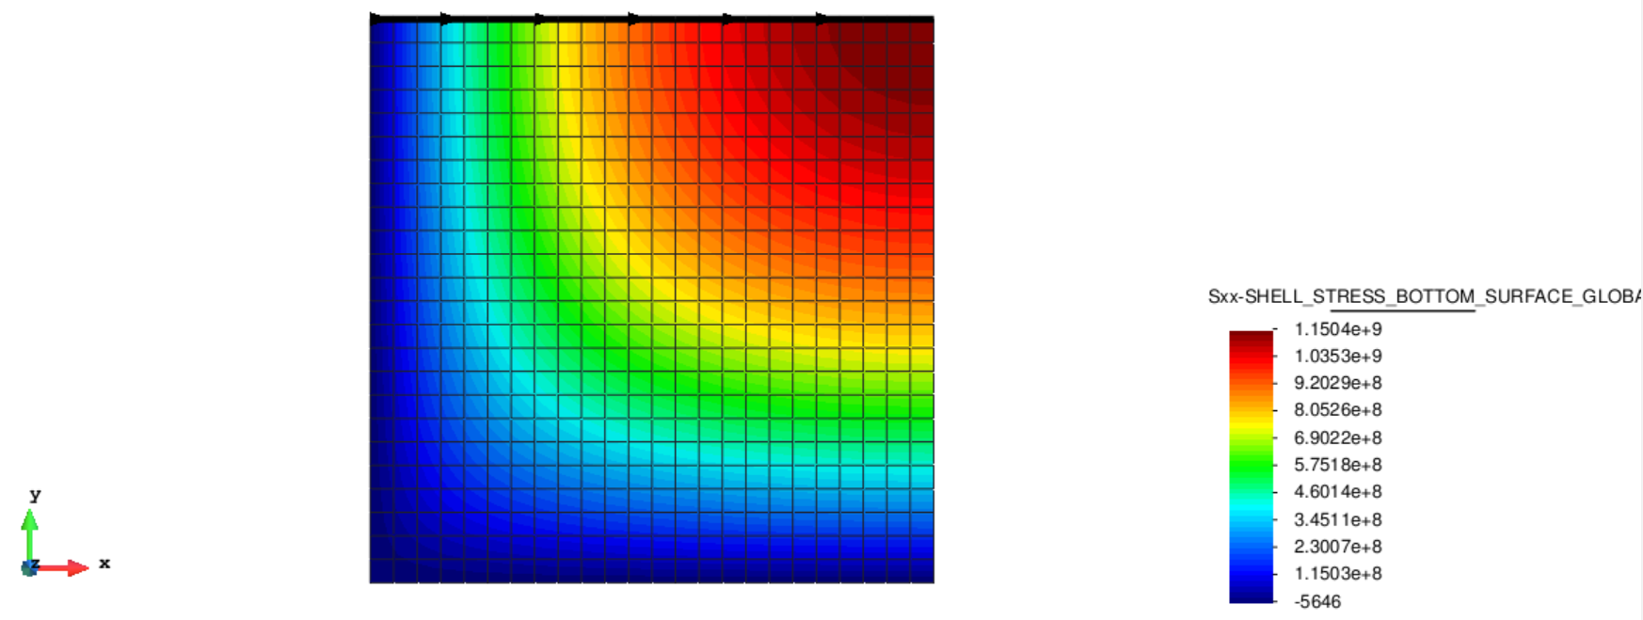
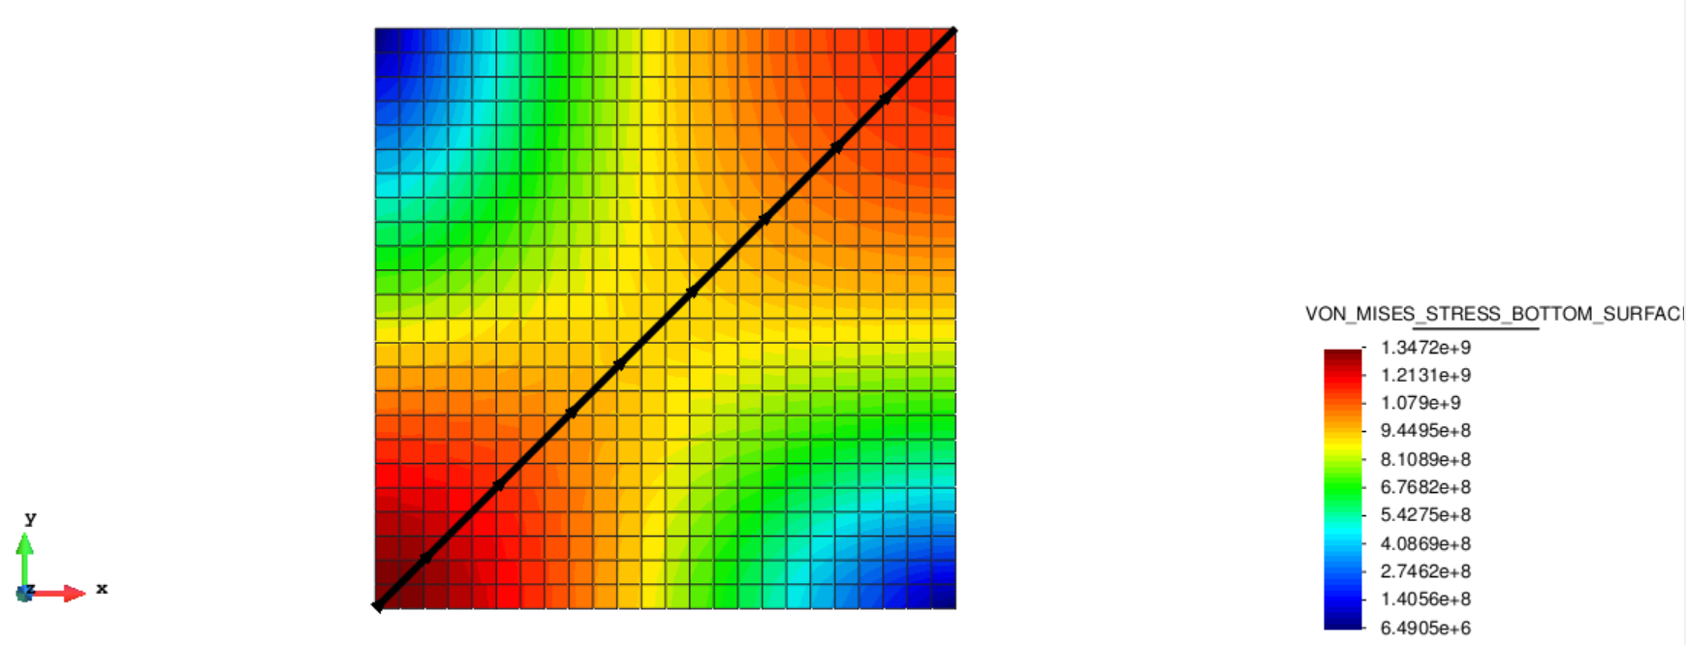
Bottom surface Sxx along top edge
Bottom surface VM along diagonal
Bottom surface Sxx along top edge |  |  |  |  |  | Bottom surface VM along diagonal
 | Bottom surface Sxx [Pa] |  |  | Reference (Sxx bottom) |  | Bottom surface VM [Pa] |  |  |  | Reference (VM bottom)
X | Thin tri (analysis_type = Non-linear) | Thin tri (analysis_type = Linear) | Thick tri | ANSYS X | ANSYS | Diagonal distance | Thin tri (analysis_type = Non-linear) | Thin tri (analysis_type = Linear) | Thick tri | ANSYS Diag | ANSYS
0 | -1.12E+07 | -8.94E+10 | 6.10E+07 | 0 | 7.64E+07 | 0 | 1.34E+09 | 5.70E+09 | 1.34E+09 | 0 | 1.34E+09
4.16667 | 1.27E+08 | 2.24E+10 | 1.01E+08 | 2.0833 | 8.52E+07 | 5.89256 | 1.32E+09 | 5.87E+09 | 1.33E+09 | 2.9463 | 1.34E+09
8.33333 | 2.38E+08 | 2.25E+10 | 2.12E+08 | 4.1667 | 9.41E+07 | 11.7851 | 1.29E+09 | 9.46E+09 | 1.30E+09 | 5.8926 | 1.33E+09
12.5 | 3.43E+08 | 2.24E+10 | 3.16E+08 | 6.25 | 1.03E+08 | 17.6777 | 1.23E+09 | 1.29E+10 | 1.25E+09 | 8.8388 | 1.30E+09
16.6667 | 4.40E+08 | 2.22E+10 | 4.11E+08 | 8.3333 | 2.55E+08 | 23.5702 | 1.17E+09 | 1.59E+10 | 1.20E+09 | 11.785 | 1.29E+09
20.8333 | 5.29E+08 | 2.18E+10 | 4.99E+08 | 10.417 | 2.63E+08 | 23.5702 | 1.17E+09 | 1.59E+10 | 1.20E+09 | 14.731 | 1.28E+09
25 | 6.10E+08 | 2.14E+10 | 5.78E+08 | 12.5 | 2.72E+08 | 29.4628 | 1.10E+09 | 1.87E+10 | 1.14E+09 | 17.678 | 1.23E+09
29.1667 | 6.84E+08 | 2.08E+10 | 6.51E+08 | 14.583 | 4.03E+08 | 35.3553 | 1.03E+09 | 2.10E+10 | 1.08E+09 | 20.624 | 1.22E+09
33.3333 | 7.50E+08 | 2.01E+10 | 7.17E+08 | 16.667 | 4.12E+08 | 41.2479 | 9.67E+08 | 2.29E+10 | 1.03E+09 | 23.57 | 1.20E+09
37.5 | 8.11E+08 | 1.93E+10 | 7.77E+08 | 18.75 | 4.20E+08 | 41.2479 | 9.67E+08 | 2.29E+10 | 1.03E+09 | 26.517 | 1.15E+09
41.6667 | 8.65E+08 | 1.85E+10 | 8.30E+08 | 20.833 | 5.33E+08 | 41.2479 | 9.67E+08 | 2.29E+10 | 1.03E+09 | 29.463 | 1.13E+09
45.8333 | 9.14E+08 | 1.76E+10 | 8.79E+08 | 22.917 | 5.42E+08 | 47.1404 | 9.15E+08 | 2.45E+10 | 9.83E+08 | 32.409 | 1.12E+09
50 | 9.57E+08 | 1.67E+10 | 9.22E+08 | 25 | 5.50E+08 | 53.033 | 8.77E+08 | 2.55E+10 | 9.45E+08 | 35.355 | 1.06E+09
54.1667 | 9.95E+08 | 1.57E+10 | 9.61E+08 | 27.083 | 6.46E+08 | 58.9256 | 8.54E+08 | 2.62E+10 | 9.18E+08 | 38.302 | 1.05E+09
58.3333 | 1.03E+09 | 1.47E+10 | 9.95E+08 | 29.167 | 6.54E+08 | 64.8181 | 8.47E+08 | 2.64E+10 | 9.02E+08 | 41.248 | 1.04E+09
62.5 | 1.06E+09 | 1.36E+10 | 1.03E+09 | 31.25 | 6.62E+08 | 64.8181 | 8.47E+08 | 2.64E+10 | 9.02E+08 | 44.194 | 1.00E+09
66.6667 | 1.08E+09 | 1.25E+10 | 1.05E+09 | 33.333 | 7.44E+08 | 70.7107 | 8.55E+08 | 2.61E+10 | 8.99E+08 | 47.14 | 9.75E+08
70.8333 | 1.11E+09 | 1.14E+10 | 1.08E+09 | 35.417 | 7.51E+08 | 76.6032 | 8.75E+08 | 2.55E+10 | 9.07E+08 | 50.087 | 9.67E+08
75 | 1.12E+09 | 1.03E+10 | 1.09E+09 | 37.5 | 7.59E+08 | 82.4958 | 9.04E+08 | 2.45E+10 | 9.24E+08 | 53.033 | 9.59E+08
79.1667 | 1.14E+09 | 9.19E+09 | 1.11E+09 | 39.583 | 8.27E+08 | 82.4958 | 9.04E+08 | 2.45E+10 | 9.24E+08 | 55.979 | 9.23E+08
83.3333 | 1.15E+09 | 8.04E+09 | 1.12E+09 | 41.667 | 8.34E+08 | 88.3884 | 9.40E+08 | 2.31E+10 | 9.49E+08 | 58.926 | 9.20E+08
87.5 | 1.16E+09 | 6.90E+09 | 1.13E+09 | 43.75 | 8.41E+08 | 94.2809 | 9.78E+08 | 2.13E+10 | 9.78E+08 | 61.872 | 9.17E+08
91.6667 | 1.17E+09 | 5.74E+09 | 1.14E+09 | 45.833 | 8.99E+08 | 100.173 | 1.02E+09 | 1.93E+10 | 1.01E+09 | 64.818 | 8.97E+08
Bottom surface Sxx along top edge
Bottom surface VM along diagonal
95.8333 | 1.17E+09 | 4.59E+09 | 1.15E+09 | 47.917 | 9.05E+08 | 106.066 | 1.05E+09 | 1.69E+10 | 1.04E+09 | 67.764 | 8.99E+08
100 | 1.17E+09 | 3.45E+09 | 1.15E+09 | 50 | 9.11E+08 | 111.959 | 1.09E+09 | 1.43E+10 | 1.07E+09 | 70.711 | 9.02E+08
 |  |  |  | 52.083 | 9.59E+08 | 117.851 | 1.12E+09 | 1.16E+10 | 1.10E+09 | 73.657 | 8.99E+08
 |  |  |  | 54.167 | 9.65E+08 | 123.744 | 1.14E+09 | 8.62E+09 | 1.12E+09 | 76.603 | 9.06E+08
 |  |  |  | 56.25 | 9.70E+08 | 129.636 | 1.16E+09 | 5.55E+09 | 1.14E+09 | 79.55 | 9.14E+08
 |  |  |  | 58.333 | 1.01E+09 | 129.636 | 1.16E+09 | 5.55E+09 | 1.14E+09 | 82.496 | 9.24E+08
 |  |  |  | 60.417 | 1.01E+09 | 135.529 | 1.17E+09 | 2.44E+09 | 1.15E+09 | 85.442 | 9.34E+08
 |  |  |  | 62.5 | 1.02E+09 | 141.421 | 1.17E+09 | 1.01E+07 | 1.15E+09 | 88.388 | 9.48E+08
 |  |  |  | 64.583 | 1.05E+09 |  |  |  |  | 91.335 | 9.64E+08
 |  |  |  | 66.667 | 1.06E+09 |  |  |  |  | 94.281 | 9.76E+08
 |  |  |  | 68.75 | 1.06E+09 |  |  |  |  | 97.227 | 9.93E+08
 |  |  |  | 70.833 | 1.08E+09 |  |  |  |  | 100.17 | 1.01E+09
 |  |  |  | 72.917 | 1.09E+09 |  |  |  |  | 103.12 | 1.02E+09
 |  |  |  | 75 | 1.09E+09 |  |  |  |  | 106.07 | 1.04E+09
 |  |  |  | 77.083 | 1.11E+09 |  |  |  |  | 109.01 | 1.06E+09
 |  |  |  | 79.167 | 1.11E+09 |  |  |  |  | 111.96 | 1.07E+09
 |  |  |  | 81.25 | 1.12E+09 |  |  |  |  | 114.9 | 1.08E+09
 |  |  |  | 83.333 | 1.13E+09 |  |  |  |  | 117.85 | 1.10E+09
 |  |  |  | 85.417 | 1.13E+09 |  |  |  |  | 120.8 | 1.11E+09
 |  |  |  | 87.5 | 1.13E+09 |  |  |  |  | 123.74 | 1.12E+09
 |  |  |  | 89.583 | 1.14E+09 |  |  |  |  | 126.69 | 1.13E+09
 |  |  |  | 91.667 | 1.14E+09 |  |  |  |  | 129.64 | 1.13E+09
 |  |  |  | 93.75 | 1.14E+09 |  |  |  |  | 132.58 | 1.14E+09
 |  |  |  | 95.833 | 1.15E+09 |  |  |  |  | 135.53 | 1.15E+09
 |  |  |  | 97.917 | 1.15E+09 |  |  |  |  | 138.48 | 1.15E+09
 |  |  |  | 100 | 1.15E+09 |  |  |  |  | 141.42 | 1.15E+09

Quad elements
Bottom surface Sxx along top edge |  |  |  |  |  | Bottom surface VM along diagonal
 | Bottom surface Sxx [Pa] |  |  | Reference (Sxx bottom) |  | Bottom surface VM [Pa] |  |  |  | Reference (VM bottom)
X | Thick quad (analysis_type = Non-linear) | Thick quad (analysis_type = Linear) | Thin quad | ANSYS X | ANSYS | Diagonal distance | Thick quad (analysis_type = Non-linear) | Thick quad (analysis_type = Linear) | Thin quad | ANSYS Diag | ANSYS
0 | 5.75E+07 | 3.92E+08 | -5.65E+03 | 0 | 7.64E+07 | 0 | 1.33E+09 | -6.43E+05 | 1.35E+09 | 0 | 1.34E+09
Bottom surface Sxx along top edge
4.1666665 | 1.25E+08 | 3.89E+08 | 1.22E+08 | 2.0833 | 8.52E+07 | 5.8925562 | 1.32E+09 | 2.85E+06 | 1.33E+09 | 2.9463 | 1.34E+09
Bottom surface VM along diagonal
8.333333 | 2.38E+08 | 3.81E+08 | 2.35E+08 | 4.1667 | 9.41E+07 | 11.785112 | 1.29E+09 | 1.31E+07 | 1.30E+09 | 5.8926 | 1.33E+09
12.5 | 3.43E+08 | 3.68E+08 | 3.38E+08 | 6.25 | 1.03E+08 | 17.67767 | 1.23E+09 | 2.86E+07 | 1.25E+09 | 8.8388 | 1.30E+09
16.666666 | 4.39E+08 | 3.52E+08 | 4.33E+08 | 8.3333 | 2.55E+08 | 23.570223 | 1.17E+09 | 4.76E+07 | 1.20E+09 | 11.785 | 1.29E+09
20.833334 | 5.28E+08 | 3.33E+08 | 5.19E+08 | 10.417 | 2.63E+08 | 23.570225 | 1.17E+09 | 4.76E+07 | 1.20E+09 | 14.731 | 1.28E+09
25 | 6.08E+08 | 3.12E+08 | 5.97E+08 | 12.5 | 2.72E+08 | 29.462784 | 1.10E+09 | 6.86E+07 | 1.14E+09 | 17.678 | 1.23E+09
29.166666 | 6.82E+08 | 2.89E+08 | 6.69E+08 | 14.583 | 4.03E+08 | 35.355339 | 1.03E+09 | 8.97E+07 | 1.08E+09 | 20.624 | 1.22E+09
33.333332 | 7.49E+08 | 2.65E+08 | 7.34E+08 | 16.667 | 4.12E+08 | 41.247894 | 9.65E+08 | 1.10E+08 | 1.03E+09 | 23.57 | 1.20E+09
37.5 | 8.09E+08 | 2.40E+08 | 7.92E+08 | 18.75 | 4.20E+08 | 41.247894 | 9.65E+08 | 1.10E+08 | 1.03E+09 | 26.517 | 1.15E+09
41.666668 | 8.63E+08 | 2.14E+08 | 8.45E+08 | 20.833 | 5.33E+08 | 41.247894 | 9.65E+08 | 1.10E+08 | 1.03E+09 | 29.463 | 1.13E+09
45.833332 | 9.12E+08 | 1.89E+08 | 8.92E+08 | 22.917 | 5.42E+08 | 47.14045 | 9.13E+08 | 1.27E+08 | 9.83E+08 | 32.409 | 1.12E+09
50 | 9.55E+08 | 1.64E+08 | 9.35E+08 | 25 | 5.50E+08 | 53.033009 | 8.75E+08 | 1.40E+08 | 9.45E+08 | 35.355 | 1.06E+09
54.166668 | 9.93E+08 | 1.41E+08 | 9.72E+08 | 27.083 | 6.46E+08 | 58.925568 | 8.53E+08 | 1.49E+08 | 9.17E+08 | 38.302 | 1.05E+09
58.333332 | 1.03E+09 | 1.18E+08 | 1.01E+09 | 29.167 | 6.54E+08 | 64.818115 | 8.46E+08 | 1.53E+08 | 9.02E+08 | 41.248 | 1.04E+09
62.5 | 1.06E+09 | 9.71E+07 | 1.03E+09 | 31.25 | 6.62E+08 | 64.818123 | 8.46E+08 | 1.53E+08 | 9.02E+08 | 44.194 | 1.00E+09
66.666664 | 1.08E+09 | 7.77E+07 | 1.06E+09 | 33.333 | 7.44E+08 | 70.710678 | 8.54E+08 | 1.51E+08 | 8.99E+08 | 47.14 | 9.75E+08
70.833336 | 1.10E+09 | 6.02E+07 | 1.08E+09 | 35.417 | 7.51E+08 | 76.603233 | 8.74E+08 | 1.45E+08 | 9.07E+08 | 50.087 | 9.67E+08
75 | 1.12E+09 | 4.47E+07 | 1.10E+09 | 37.5 | 7.59E+08 | 82.495789 | 9.04E+08 | 1.35E+08 | 9.25E+08 | 53.033 | 9.59E+08
79.166664 | 1.14E+09 | 3.14E+07 | 1.12E+09 | 39.583 | 8.27E+08 | 82.495789 | 9.04E+08 | 1.35E+08 | 9.25E+08 | 55.979 | 9.23E+08
83.333336 | 1.15E+09 | 2.03E+07 | 1.13E+09 | 41.667 | 8.34E+08 | 88.388351 | 9.39E+08 | 1.21E+08 | 9.50E+08 | 58.926 | 9.20E+08
87.5 | 1.16E+09 | 1.17E+07 | 1.14E+09 | 43.75 | 8.41E+08 | 94.280899 | 9.77E+08 | 1.05E+08 | 9.79E+08 | 61.872 | 9.17E+08
91.666664 | 1.17E+09 | 5.43E+06 | 1.15E+09 | 45.833 | 8.99E+08 | 100.17346 | 1.02E+09 | 8.68E+07 | 1.01E+09 | 64.818 | 8.97E+08
95.833336 | 1.17E+09 | 1.67E+06 | 1.15E+09 | 47.917 | 9.05E+08 | 106.06602 | 1.05E+09 | 6.82E+07 | 1.04E+09 | 67.764 | 8.99E+08
100 | 1.17E+09 | 4.09E+05 | 1.15E+09 | 50 | 9.11E+08 | 111.95857 | 1.09E+09 | 5.01E+07 | 1.07E+09 | 70.711 | 9.02E+08
 |  |  |  | 52.083 | 9.59E+08 | 117.85114 | 1.12E+09 | 3.37E+07 | 1.10E+09 | 73.657 | 8.99E+08
 |  |  |  | 54.167 | 9.65E+08 | 123.74369 | 1.14E+09 | 1.98E+07 | 1.12E+09 | 76.603 | 9.06E+08
 |  |  |  | 56.25 | 9.70E+08 | 129.63623 | 1.16E+09 | 9.33E+06 | 1.14E+09 | 79.55 | 9.14E+08
 |  |  |  | 58.333 | 1.01E+09 | 129.63625 | 1.16E+09 | 9.33E+06 | 1.14E+09 | 82.496 | 9.24E+08
 |  |  |  | 60.417 | 1.01E+09 | 135.52881 | 1.17E+09 | 2.78E+06 | 1.15E+09 | 85.442 | 9.34E+08
 |  |  |  | 62.5 | 1.02E+09 | 141.42136 | 1.17E+09 | 5.60E+05 | 1.15E+09 | 88.388 | 9.48E+08
 |  |  |  | 64.583 | 1.05E+09 |  |  |  |  | 91.335 | 9.64E+08
 |  |  |  | 66.667 | 1.06E+09 |  |  |  |  | 94.281 | 9.76E+08
 |  |  |  | 68.75 | 1.06E+09 |  |  |  |  | 97.227 | 9.93E+08
 |  |  |  | 70.833 | 1.08E+09 |  |  |  |  | 100.17 | 1.01E+09
 |  |  |  | 72.917 | 1.09E+09 |  |  |  |  | 103.12 | 1.02E+09
 |  |  |  | 75 | 1.09E+09 |  |  |  |  | 106.07 | 1.04E+09
 |  |  |  | 77.083 | 1.11E+09 |  |  |  |  | 109.01 | 1.06E+09
 |  |  |  | 79.167 | 1.11E+09 |  |  |  |  | 111.96 | 1.07E+09
 |  |  |  | 81.25 | 1.12E+09 |  |  |  |  | 114.9 | 1.08E+09
 |  |  |  | 83.333 | 1.13E+09 |  |  |  |  | 117.85 | 1.10E+09
 |  |  |  | 85.417 | 1.13E+09 |  |  |  |  | 120.8 | 1.11E+09
 |  |  |  | 87.5 | 1.13E+09 |  |  |  |  | 123.74 | 1.12E+09
 |  |  |  | 89.583 | 1.14E+09 |  |  |  |  | 126.69 | 1.13E+09
 |  |  |  | 91.667 | 1.14E+09 |  |  |  |  | 129.64 | 1.13E+09
 |  |  |  | 93.75 | 1.14E+09 |  |  |  |  | 132.58 | 1.14E+09
 |  |  |  | 95.833 | 1.15E+09 |  |  |  |  | 135.53 | 1.15E+09
 |  |  |  | 97.917 | 1.15E+09 |  |  |  |  | 138.48 | 1.15E+09
 |  |  |  | 100 | 1.15E+09 |  |  |  |  | 141.42 | 1.15E+09

